Sheet1
Mass and Volume of Components |  |  | Enclosure Design Parameters
Item | Mass (kg) | Volume(mm^3) | Diameter(Sphere) (cm) | Volume(Sphere) (cm^3) | Flat Surface Knockdown (cm) | Volume Knockdown (cm^3) | Total Volume Profile (cm^3)
Pressure | 0.00525 | 23.520711498 | 6 | 113.09733553 | 5.9 | 0.046862090416 | 113.05047344
Light | 0.00525 | 2015.145 |  |  |  |  | Total volume profile (m^3)
Dissolved O2 | 0.00525 | 2860 |  |  |  |  | 0.00011305047344
Salinity | 0.00525 | 6.96 | Epoxy mass calculations
Current (IMU) | 0.00525 | 2128.88 | Volume (Epoxy) (cm^3) | Mass Epoxy (kg)
Radio | 0.00525 | 9384 | 85.904967727 | 0.091642560522
Battery | 0.0105 | 4959 | Void Calculations
Qi Receiver | 0.00525 | 768 | Void Volume (cm^3) | Void mass (kg) | Volume Knockdown(epoxy) (cm^3) | Mass Knocked down (epoxy) (kg)
Structural | 0.75 | 5000 | 1102.5195446 | 0.0013505864421 | -1016.6145768 | -1.0845142644
 |  |  | Volume and Mass totals
 |  |  | Component Mass | Void Mass | Epoxy Mass | Total
 |  |  | 1.195875 | 0.0013505864421 | -1.0845142644 | 0.11271132202
 |  |  | Component Volume | Void Volume | Epoxy Volume | Total
 |  |  | 27.145505711 | 1102.5195446 | -1016.6145768 | 113.05047344
 |  |  | Volume Valid? | 0 |  | Average Density
 |  |  | Bouancy Force (N) | Gravity Force (N) | Delta | 997
 |  |  | 1.1045709558 | 1.1045709558 | 0

 |  |  | Constants
 |  |  | Name | Value | Units
 |  |  | Acceleration, Gravity | 9.8 | m/s^2
 |  |  | Density, Water | 997 | kg/m^3
 |  |  | Density, Air, STP | 1.225 | kg/m^3
 |  |  | Design Constants
 |  |  | Epoxy specific Density | 1.07
 |  |  | Epoxy Density | 1066.79 | kg/m^3
Total Sub-Total (cm^3) | 1.195875 | 27.145505711 | Margin | 1.5 | N/A
Adjusted Estimate

How this works
Calculates the mass and volume of all the components, Electrical and structural
Based upon the total volume of electrical components and a set volume profile, it calculates the mass of the epoxy required to fill in the rest of the profile
Applies a factor of 1.5 to the mass to ensure bouancy.
Adjusts the amount of the volume of the profile that has to be “Void”, which is going to be considered as air at STP
Using the goal seek function, one can determine the amount of void required for a desired bouancy force
IF the volume of void required exceeds the volume profile minus the volume of the required components, then the design is void, and a new volume must be calculated

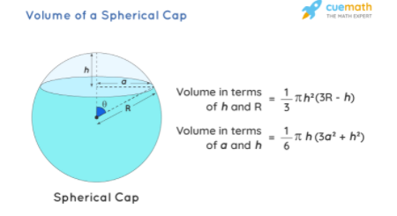
Notes: Calculation of spherical caps
How this is adjusted: h = (D - c)/2

Note: Archimedes Principle
This shouldn't change with iterations unless the overall volume is changed

